ILR
Individual Learner/Participant Record and Plan - please complete in BLOCK CAPITALS
ULN (for office use) |  |  |  |  |  |  |  |  |  |  |  |  |  |  |  |  |  |  |  |  |  |  | Subcontractor name or N/A if internal
National Insurance Number |  |  |  |  |  | p137
Mr | p110 | Mrs |  | p111 |  | Miss | p112 | Ms |  | p113 | First Name |  |  |  |  |  | p1
Middle Name |  |  |  |  |  | p2 |  |  |  |  |  | Family Name |  |  |  |  | p3
Date of Birth (DD/MM/YYYY) |  |  |  |  |  | p4 |  |  |  |  |  |  |  |  |  |  |  |  |  |  | Current Age at Start of programme |  |  |  |  |  |  | p116
House No./Name & Street |  |  |  |  |  | p138
Suburb / Village |  |  |  |  |  | p139
Town / City |  |  |  |  |  | p140
County |  |  |  |  |  | p141
Country of Domicile |  |  |  |  |  | p142
Current Postcode |  |  |  |  |  | p143 |  |  |  |  |  |  |  |  |  |  |  |  | Post code prior to enrolment |  |  |  |  |  | p144
Email Address |  |  |  |  |  | p145
Primary Telephone Number |  |  |  |  |  | p146
Secondary Telephone Number |  |  |  |  |  | p147
Sex (select) |  |  |  |  |  | p114 | p115 | p116 |  |  | If Other, please state |  |  |  |  |  | p117
Ethnicity
White |  |  |  |  |  |  |  |  |  |  |  |  |  |  | Mixed/ Multiple ethnic group
31 | English/ Welsh/ Scottish/ N Irish/ British |  |  |  |  |  |  |  |  |  |  | p119 |  |  | 35 |  | White and Black Caribbean |  |  |  |  |  |  |  |  |  |  |  | p123
32 | Irish |  |  |  |  |  |  |  |  |  |  | p120 |  |  | 36 |  | White and Black African |  |  |  |  |  |  |  |  |  |  |  | p124
33 | Roma, Gypsy or Irish Traveller |  |  |  |  |  |  |  |  |  |  | p121 |  |  | 37 |  | White and Asian |  |  |  |  |  |  |  |  |  |  |  | p125
34 | Any other white background |  |  |  |  |  |  |  |  |  |  | p122 |  |  | 38 |  | Any other mixed/ multiple ethnic background |  |  |  |  |  |  |  |  |  |  |  | p126
Asian/ Asian British |  |  |  |  |  |  |  |  |  |  |  |  |  |  | Black/ African/ Caribbean/ Black British
39 | Indian |  |  |  |  |  |  |  |  |  |  | p127 |  |  | 44 |  | African |  |  |  |  |  |  |  |  |  |  |  | p132
40 | Pakistani |  |  |  |  |  |  |  |  |  |  | p128 |  |  | 45 |  | Caribbean |  |  |  |  |  |  |  |  |  |  |  | p133
41 | Bangladeshi |  |  |  |  |  |  |  |  |  |  | p129 |  |  | 46 |  | Any Other Black/ African/ Caribbean background |  |  |  |  |  |  |  |  |  |  |  | p134
42 | Chinese |  |  |  |  |  |  |  |  |  |  | p130 |  |  | Other Ethnic Group
43 | Any other Asian background |  |  |  |  |  |  |  |  |  |  | p131 |  |  | 47 |  | Arab |  |  |  |  |  |  |  |  |  |  |  | p135
98 | Any other ethnic group |  |  |  |  |  |  |  |  |  |  |  |  |  |  |  |  |  |  |  |  |  |  |  |  |  |  |  | p136
Prior Attainment
1 | Entry Level |  |  |  |  |  |  |  |  |  |  | p58 |  |  | 6 |  | Full Level 3 |  |  |  |  |  |  |  |  |  |  |  | p61a
2 | Level 1 |  |  |  |  |  |  |  |  |  |  | p59 |  |  | 7 |  | Level 4 |  |  |  |  |  |  |  |  |  |  |  | p62
3 | Level 2 |  |  |  |  |  |  |  |  |  |  | p60z |  |  | 8 |  | Level 5 |  |  |  |  |  |  |  |  |  |  |  | p63z
4 | Full Level 2 |  |  |  |  |  |  |  |  |  |  | p60a |  |  | 9 |  | Level 6 |  |  |  |  |  |  |  |  |  |  |  | p63a
5 | Level 3 |  |  |  |  |  |  |  |  |  |  | p61z |  |  | 10 |  | Level 7 and above |  |  |  |  |  |  |  |  |  |  |  | p63b
99 | No Qualifications |  |  |  |  |  |  |  |  |  |  |  |  |  |  |  |  |  |  |  |  |  |  |  |  |  |  |  | p64
Next of kin/ Emergency contact |  |  |  |  |  | p148
Emergency Contact Phone Number |  |  |  |  |  | p149
Household Situation – please select the most relevant option (place an 'x' in ALL relevant boxes)
1 - No household member in employment with one or more dependent children |  |  |  |  |  |  |  |  | JH, JH+DC |  |  |  | p150 |  | 2 - No household member in employment with no dependent children |  |  |  |  |  |  |  |  |  |  | JH |  |  |  | p151
3 - Participant lives in a single adult household with dependent children |  |  |  |  |  |  |  |  | SAH+DC |  |  |  | p152 |  | 4 - Learner lives in single unemployed adult household with dependent children |  |  |  |  |  |  |  |  |  |  | JH, SAH+DC |  |  |  | p153
99 - None of the above apply |  |  |  |  |  |  |  |  | N/A |  |  |  | p154
LLDD, Health Problems, Other Disadvantaged
Do you consider yourself to have a long term disability, health problem or any learning difficulties? Choose the correct option. If Yes enter code in Primary LLDD or HP; you can add multiple LLDD or HP but primary must be recorded if Yes selected. |  |  |  |  |  |  |  |  |  |  |  |  |  |  |  |  |  |  |  |  |  |  |  |  | Y |  |  | N

LLDD or Health Problem Type |  |  |  |  |  |  |  |  |  |  |  |  |  |  |  |  |  |  |  |  |  |  | Primary |  | Secondary |  |  | Tertiary
4 | Vision impairment |  |  |  |  |  |  |  |  |  |  |  |  |  |  |  |  |  |  |  |  |  | 157a |  | 157b |  |  | 157c
5 | Hearing impairment |  |  |  |  |  |  |  |  |  |  |  |  |  |  |  |  |  |  |  |  |  | 158a |  | 158b |  |  | 158c
6 | Disability affecting mobility |  |  |  |  |  |  |  |  |  |  |  |  |  |  |  |  |  |  |  |  |  | 159a |  | 159b |  |  | 159c
7 | Profound complex disabilities |  |  |  |  |  |  |  |  |  |  |  |  |  |  |  |  |  |  |  |  |  | 160a |  | 160b |  |  | 160c
8 | Social and emotional difficulties |  |  |  |  |  |  |  |  |  |  |  |  |  |  |  |  |  |  |  |  |  | 161a |  | 161b |  |  | 161c
9 | Mental health difficulty |  |  |  |  |  |  |  |  |  |  |  |  |  |  |  |  |  |  |  |  |  | 162a |  | 162b |  |  | 162c
10 | Moderate learning difficulty |  |  |  |  |  |  |  |  |  |  |  |  |  |  |  |  |  |  |  |  |  | 163a |  | 163b |  |  | 163c
11 | Severe learning difficulty |  |  |  |  |  |  |  |  |  |  |  |  |  |  |  |  |  |  |  |  |  | 164a |  | 164b |  |  | 164c
12 | Dyslexia |  |  |  |  |  |  |  |  |  |  |  |  |  |  |  |  |  |  |  |  |  | 165a |  | 165b |  |  | 165c
13 | Dyscalculia |  |  |  |  |  |  |  |  |  |  |  |  |  |  |  |  |  |  |  |  |  | 166a |  | 166b |  |  | 166c
14 | Autism spectrum disorder |  |  |  |  |  |  |  |  |  |  |  |  |  |  |  |  |  |  |  |  |  | 167a |  | 167b |  |  | 167c
15 | Asperger's syndrome |  |  |  |  |  |  |  |  |  |  |  |  |  |  |  |  |  |  |  |  |  | 168a |  | 168b |  |  | 168c
16 | Temporary disability after illness (for example post-viral) or accident |  |  |  |  |  |  |  |  |  |  |  |  |  |  |  |  |  |  |  |  |  | 169a |  | 169b |  |  | 169c
17 | Speech, Language and Communication Needs |  |  |  |  |  |  |  |  |  |  |  |  |  |  |  |  |  |  |  |  |  | 170a |  | 170b |  |  | 170c
93 | Other physical disability |  |  |  |  |  |  |  |  |  |  |  |  |  |  |  |  |  |  |  |  |  | 171a |  | 171b |  |  | 171c
94 | Other specific learning difficulty (e.g. Dyspraxia) |  |  |  |  |  |  |  |  |  |  |  |  |  |  |  |  |  |  |  |  |  | 172a |  | 172b |  |  | 172c
95 | Other medical condition (for example epilepsy, asthma, diabetes) |  |  |  |  |  |  |  |  |  |  |  |  |  |  |  |  |  |  |  |  |  | 173a |  | 173b |  |  | 173c
97 | Other learning difficulty |  |  |  |  |  |  |  |  |  |  |  |  |  |  |  |  |  |  |  |  |  | 174a |  | 174b |  |  | 174c
98 | Other disability |  |  |  |  |  |  |  |  |  |  |  |  |  |  |  |  |  |  |  |  |  | 175a |  | 175b |  |  | 175c
99 | Prefer not to say |  |  |  |  |  |  |  |  |  |  |  |  |  |  |  |  |  |  |  |  |  | 176
Is there any other additional information that may impact on your ability to learn? |  |  |  |  |  | p177

Other disadvantaged - Ex Offender? |  |  |  |  |  | p178 |  | p179 |  |  | p180 |  |  |  | Other disadvantaged - Homeless ? |  |  |  |  |  |  |  | p189 |  | p190 |  |  | p191
Referral Source
Internally sourced |  |  |  |  |  | p181 | Self Referral |  |  |  |  |  | p184 |  | Website |  |  |  |  |  |  |  | p187 | Promotional material |  |  |  |  |  | p188
Recommendation |  |  |  |  |  | p182 | Family/ Friends |  |  |  |  |  | p185 |  | Internally sourced |  |  |  |  |  |  |  | p181 | Website |  |  |  |  |  | p187
Event (please specify) |  |  |  |  |  | p183 |  |  |  |  |  |  |  |  | Other (please specify) |  |  |  |  |  |  |  | p186
Employment and Monitoring Information
Participant Employment Status (place an X in the applicable box)
Unemployed (looking for work and available to start work) -> go to section A |  |  |  |  |  |  | p192 |  | Economically Inactive (not looking for work and not available to start work) -> Go to section B |  |  |  |  |  |  |  |  | p193 |  |  | Employed (incuding self- employed) -> go to section C |  |  |  |  |  |  | p194
Section A - Unemployment details
Where a participant’s employment status is long-term unemployed proof of both unemployment and the length of unemployment must be obtained.
If you are not working how long have you been without work?
Up to 12 months |  |  |  |  |  |  |  |  |  | p195 | 12 months or longer |  |  |  |  |  |  |  |  |  |  |  |  | p196
Evidence of unemployment status (for more information look Start-Eligibility Evidence list tab)
A Letter or Document from JCP or DWP |  |  |  |  |  |  |  | p197 |  | A written referal from a careers service |  |  |  |  |  |  |  |  | p198 |  | Third Party Verification or Referral form |  |  |  |  |  |  |  |  | p199
Other (please specify) |  |  |  |  |  | p200
Section B - Economically Inactive details
The Participant is not employed and does not claim benefits at the time of the enrolment. |  |  |  |  |  |  |  |  |  |  |  |  |  |  |  |  |  |  |  |  |  |  |  |  |  |  |  |  | p201
Type of evidence for Economically Inactive Status including self-declaration statement. |  |  |  |  |  |  |  |  |  |  |  |  | p202
Date of issue of evidence |  |  |  |  |  | p203

Section C - Employment details
Employer Name |  |  |  |  |  | p204
Employer Address 1 |  |  |  |  |  | p205
Employer Address 2 |  |  |  |  |  | p206
Employer Address 3 |  |  |  |  |  | p207
Employer Postcode |  |  |  |  |  | p208
Main Employer Contact Name |  |  |  |  |  | p209
Contact Position |  |  |  |  |  | p210
Contact Email Address |  |  |  |  |  | p211
Contact Telephone Number |  |  |  |  |  | p212
Employer EDRS number |  |  |  |  |  | p213 |  |  |  |  |  |  |  |  |  |  |  |  |  |  | Do you earn more than the London Living Wage of £23,302.50 pa (£11.95ph for 37.5 hrs pw). |  |  |  |  |  |  |  |  | p214
Employment Hours (place an X in the applicable box) |  |  |  |  |  |  |  | p215a |  | 0-15 hrs per week |  |  |  | p215b |  | !6+ hrs per week
Are you claiming any benefits? If so please describe below what they are. |  |  |  |  |  |  |  |  |  |  |  |  |  |  |  |  | p216 |  | Are you the sole claimant of the benefit? |  |  |  |  |  |  |  |  | p217
Universal Credit (UC) |  |  | p218 |  | Job Seekers Allowance (JSA) |  | p219 | Employment and Support Allowance (ESA) |  |  |  |  | p220 |  | Incapacity Benefit (or any other sickness related benefit) |  |  |  |  |  |  |  | p221 | Personal Independence Payment (PIP) |  |  |  |  |  | p222
Other - please state |  |  |  |  |  | p223
From what date has the above claim been in effect? |  |  |  |  |  | p224
Detailed Learning Plan
Qualification Reference |  |  |  |  |  |  |  |  |  |  |  |  |  |  |  |  |  |  | Sector of work for Qualification
Qualification/ Course/ Unit Title/ Non-Regulated activity
Awarding Body |  |  |  |  |  |  |  |  |  |  |  |  |  |  |  |  |  |  |  |  |  |  |  |  | GLH
What is the benefit to you in completing this learning aim? Please be specific

Planned Start Date |  |  |  |  |  |  |  |  | Planned End Date |  |  |  |  |  |  |  |  |  |  |  | Note: Actual End Date to be recorded on 'Outcome and Progression' form at the end of the programme
Delivery Postcode |  |  |  |  |  |  |  |  |  |  |  |  |  |  |  |  |  |  | Date of first review
Progression - Indicate below the progression planned for this participant when they have completed all training
Progression within Work |  |  |  |  |  | Progression into Further Education or Training |  |  |  |  |  |  | Progression to Apprenticeship |  |  |  |  |  |  |  |  | Progression in to employment
Please detail your progression aim

Social Outcomes - How do you rate yourself now out of 5 for the below. 5= Great 1= Poor
Health and well being |  |  |  |  |  |  |  |  |  |  |  |  | 1 |  | 2 |  | 3 |  | 4 |  | 5
Social integration |  |  |  |  |  |  |  |  |  |  |  |  | 1 |  | 2 |  | 3 |  | 4 |  | 5
Learner self-efficacy |  |  |  |  |  |  |  |  |  |  |  |  | 1 |  | 2 |  | 3 |  | 4 |  | 5
Participation in volunteering |  |  |  |  |  |  |  |  |  |  |  |  | 1 |  | 2 |  | 3 |  | 4 |  | 5
Privacy and Data Protection Information
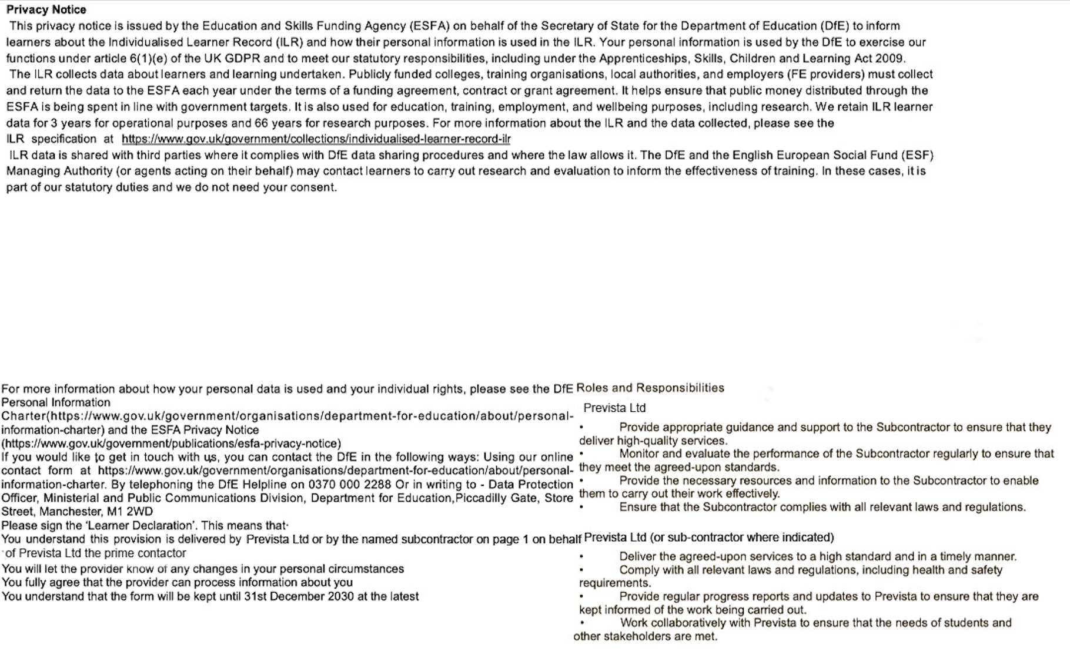

Add Y or N for any of the following boxes if you AGREE to be contacted; tick how you wish to be contacted
About courses/ learning opportunities (fill in all boxes with either Y or N) |  |  |  |  |  |  |  |  |  | For surveys & research |  |  |  |  |  |  |  | p225 |  | Phone |  |  | p226 | Email |  | p227 | Post |  |  | p228
Declarations
We hereby confirm that we have read, understood and agree with the contents of this document, and understand that the programme is funded by the Mayor of London.

Participant Declaration: I certify that I have provided all of the necessary information to confirm my eligibility for the Provision. I also consent for the named Training Provider to collect further evidence, from a 3rd party Training Provider, to support a progression claim on my behalf (where applicable).

Participant Signature |  |  |  |  | p230 |  |  |  |  |  |  |  |  |  |  |  |  |  |  | Date |  |  |  |  | p231

I can confirm that the signature has been entered myself via the following method (please select 1 option): |  |  |  |  |  |  |  |  |  | Wet signature of original document |  |  |  |  |  | Inserting image of my signature (email mandate needed) |  |  |  |  |  |  | Signature software such as Docusign/Adobe Sign |  |  |  | Email declaration/mandate – this must be attached
Training Provider Declaration: I certify that I have seen and verified the supporting evidence as indicated above, to confirm the Participant eligibility for ESF funding and this specific project.

Name |  |  |  |  |  |  |  |  |  |  |  |  |  |  | Position

Signature |  |  |  |  |  |  |  |  |  |  |  |  |  |  |  |  |  |  |  | Date

I can confirm that the signature has been entered myself via the following method (please select 1 option): |  |  |  |  |  |  |  |  |  | Wet signature of original document |  |  |  |  |  | Inserting image of my signature (email mandate needed) |  |  |  |  |  |  | Signature software such as Docusign/Adobe Sign |  |  |  | Email declaration/mandate – this must be attached

